PVC-SCH40
Note: Must Purchase by Full Case Qty's. |  |  |  | Effective: | 2026-07-01 | Multiplier
 |  |  |  | PVC-SCH40 |  | 0.000

 | Part# | Descripton | Size | Ends | List | Net | Master
PVC SCH. 40 - TEE
 | E401-005 | 1/2" SCH. 40 PVC Tee SOC x SOC x SOC | 1/2" | Socket x Socket x Socket | $2.05 | $0.00 | 150
 | E401-007 | 3/4" SCH. 40 PVC Tee SOC x SOC x SOC | 3/4" | Socket x Socket x Socket | $2.38 | $0.00 | 50
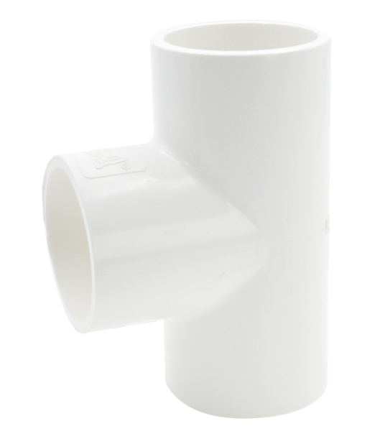
 | E401-010 | 1" SCH. 40 PVC Tee SOC x SOC x SOC | 1" | Socket x Socket x Socket | $4.46 | $0.00 | 50
 | E401-015 | 1-1/2" SCH. 40 PVC Tee SOC x SOC x SOC | 1-1/2" | Socket x Socket x Socket | $8.42 | $0.00 | 25
 | E401-020 | 2" SCH. 40 PVC Tee SOC x SOC x SOC | 2" | Socket x Socket x Socket | $12.27 | $0.00 | 15
 | E401-025 | 2-1/2" SCH. 40 PVC Tee SOC x SOC x SOC | 2-1/2" | Socket x Socket x Socket | $40.50 | $0.00 | 8
 | E401-030 | 3" SCH. 40 PVC Tee SOC x SOC x SOC | 3" | Socket x Socket x Socket | $53.22 | $0.00 | 5
 | E401-040 | 4" SCH. 40 PVC Tee SOC x SOC x SOC | 4" | Socket x Socket x Socket | $96.28 | $0.00 | 3
 | E401-050 | 5" SCH. 40 PVC Tee SOC x SOC x SOC | 5" | Socket x Socket x Socket | $232.54 | $0.00 | 1
 | E401-060 | 6" SCH. 40 PVC Tee SOC x SOC x SOC | 6" | Socket x Socket x Socket | $324.11 | $0.00 | 1
 | E401-080 | 8" SCH. 40 PVC Tee SOC x SOC x SOC | 8" | Socket x Socket x Socket | $751.64 | $0.00 | 2
 | E401-100 | 10" SCH. 40 PVC Tee SOC x SOC x SOC | 10" | Socket x Socket x Socket | $2,490.72 | $0.00 | 1
 | E401-120 | 12" SCH. 40 PVC Tee SOC x SOC x SOC | 12" | Socket x Socket x Socket | $3,680.08 | $0.00 | 1

PVC SCH. 40 - REDUCING TEE
 | E401-101 | 3/4" x 1/2" SCH. 40 PVC Reducing Tee SOC x SOC x SOC | 3/4" x 1/2" | Socket x Socket x Socket | $2.76 | $0.00 | 100
 | E401-102 | 3/4" x 3/4" x 1" SCH. 40 PVC Reducing Tee SOC x SOC x SOC | 3/4" x 3/4" x 1" | Socket x Socket x Socket | $7.87 | $0.00 | 50
 | E401-130 | 1" x 1/2" SCH. 40 PVC Reducing Tee SOC x SOC x SOC | 1" x 1/2" | Socket x Socket x Socket | $4.69 | $0.00 | 50
 | E401-131 | 1" x 3/4" SCH. 40 PVC Reducing Tee SOC x SOC x SOC | 1" x 3/4" | Socket x Socket x Socket | $5.11 | $0.00 | 50
 | E401-166 | 1-1/4" x 1-1/4" x 1/2" SCH. 40 PVC Reducing Tee SOC x SOC x SOC | 1-1/4" x 1-1/4" x 1/2" | Socket x Socket x Socket | $7.63 | $0.00 | 50
 | E401-167 | 1-1/4" x 1-1/4" x 3/4" SCH. 40 PVC Reducing Tee SOC x SOC x SOC | 1-1/4" x 1-1/4" x 3/4" | Socket x Socket x Socket | $7.63 | $0.00 | 50
 | E401-209 | 1-1/2" x 1-1/2" x 1/2" SCH. 40 PVC Reducing Tee SOC x SOC x SOC | 1-1/2" x 1-1/2" x 1/2" | Socket x Socket x Socket | $13.37 | $0.00 | 25
 | E401-210 | 1-1/2" x 1-1/2" x 3/4" SCH. 40 PVC Reducing Tee SOC x SOC x SOC | 1-1/2" x 1-1/2" x 3/4" | Socket x Socket x Socket | $13.37 | $0.00 | 25
 | E401-211 | 1-1/2" x 1-1/2" x 1" SCH. 40 PVC Reducing Tee SOC x SOC x SOC | 1-1/2" x 1-1/2" x 1" | Socket x Socket x Socket | $13.37 | $0.00 | 25
 | E401-213 | 1-1/2" x 1-1/2" x 2" SCH. 40 PVC Reducing Tee SOC x SOC x SOC | 1-1/2" x 1-1/2" x 2" | Socket x Socket x Socket | $19.10 | $0.00 | 20
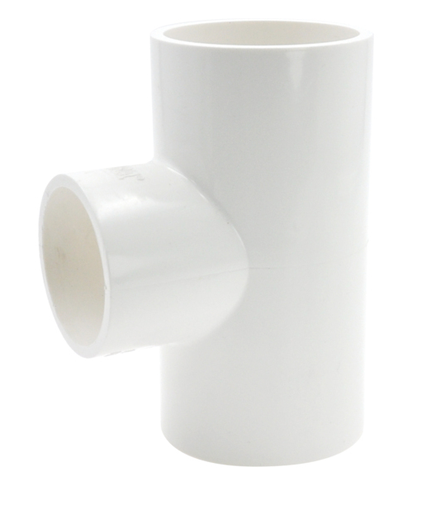
 | E401-247 | 2" x 2" x 1/2" SCH. 40 PVC Reducing Tee SOC x SOC x SOC | 2" x 2" x 1/2" | Socket x Socket x Socket | $13.13 | $0.00 | 20
 | E401-248 | 2" x 2" x 3/4" SCH. 40 PVC Reducing Tee SOC x SOC x SOC | 2" x 2" x 3/4" | Socket x Socket x Socket | $13.13 | $0.00 | 20
 | E401-249 | 2" x 2" x 1" SCH. 40 PVC Reducing Tee SOC x SOC x SOC | 2" x 2" x 1" | Socket x Socket x Socket | $13.13 | $0.00 | 15
 | E401-251 | 2" x 2" x 1-1/2" SCH. 40 PVC Reducing Tee SOC x SOC x SOC | 2" x 2" x 1-1/2" | Socket x Socket x Socket | $13.13 | $0.00 | 10
 | E401-289 | 2-1/2" x 2-1/2" x 1" SCH. 40 PVC Reducing Tee SOC x SOC x SOC | 2-1/2" x 2-1/2" x 1" | Socket x Socket x Socket | $40.41 | $0.00 | 10
 | E401-334 | 3" x 3" x 3/4" SCH. 40 PVC Reducing Tee SOC x SOC x SOC | 3" x 3" x 3/4" | Socket x Socket x Socket | $57.91 | $0.00 | 5
 | E401-335 | 3" x 3" x 1" SCH. 40 PVC Reducing Tee SOC x SOC x SOC | 3" x 3" x 1" | Socket x Socket x Socket | $57.91 | $0.00 | 5
 | E401-336 | 3" x 3" x 1-1/4" SCH. 40 PVC Reducing Tee SOC x SOC x SOC | 3" x 3" x 1-1/4" | Socket x Socket x Socket | $57.91 | $0.00 | 5
 | E401-337 | 3" x 3" x 1-1/2" SCH. 40 PVC Reducing Tee SOC x SOC x SOC | 3" x 3" x 1-1/2" | Socket x Socket x Socket | $57.91 | $0.00 | 5
 | E401-338 | 3" x 3" x 2" SCH. 40 PVC Reducing Tee SOC x SOC x SOC | 3" x 3" x 2" | Socket x Socket x Socket | $57.82 | $0.00 | 5
 | E401-416 | 4" x 4" x 3/4" SCH. 40 PVC Reducing Tee SOC x SOC x SOC | 4" x 4" x 3/4" | Socket x Socket x Socket | $96.28 | $0.00 | 5
 | E401-417 | 4" x 4" x 1" SCH. 40 PVC Reducing Tee SOC x SOC x SOC | 4" x 4" x 1" | Socket x Socket x Socket | $96.28 | $0.00 | 4
 | E401-420 | 4" x 4" x 2" SCH. 40 PVC Reducing Tee SOC x SOC x SOC | 4" x 4" x 2" | Socket x Socket x Socket | $96.28 | $0.00 | 3
 | E401-422 | 4" x 4" x 3" SCH. 40 PVC Reducing Tee SOC x SOC x SOC | 4" x 4" x 3" | Socket x Socket x Socket | $96.28 | $0.00 | 3
 | E401-486 | 5" x 5" x 2" SCH. 40 PVC Reducing Tee SOC x SOC x SOC | 5" x 5" x 2" | Socket x Socket x Socket | $225.80 | $0.00 | 2
 | E401-490 | 5" x 5" x 4" SCH. 40 PVC Reducing Tee SOC x SOC x SOC | 5" x 5" x 4" | Socket x Socket x Socket | $225.80 | $0.00 | 2
 | E401-528 | 6" x 6" x 2" SCH. 40 PVC Reducing Tee SOC x SOC x SOC | 6" x 6" x 2" | Socket x Socket x Socket | $324.11 | $0.00 | 2
 | E401-530 | 6" x 6" x 3" SCH. 40 PVC Reducing Tee SOC x SOC x SOC | 6" x 6" x 3" | Socket x Socket x Socket | $324.11 | $0.00 | 2
 | E401-532 | 6" x 6" x 4" SCH. 40 PVC Reducing Tee SOC x SOC x SOC | 6" x 6" x 4" | Socket x Socket x Socket | $324.11 | $0.00 | 2
 | E401-578 | 8" x 8" x 2" SCH. 40 PVC Reducing Tee SOC x SOC x SOC | 8" x 8" x 2" | Socket x Socket x Socket | $784.98 | $0.00 | 2
 | E401-580 | 8" x 8" x 3" SCH. 40 PVC Reducing Tee SOC x SOC x SOC | 8" x 8" x 3" | Socket x Socket x Socket | $751.70 | $0.00 | 2
 | E401-582 | 8" x 8" x 4" SCH. 40 PVC Reducing Tee SOC x SOC x SOC | 8" x 8" x 4" | Socket x Socket x Socket | $751.64 | $0.00 | 2
 | E401-585 | 8" x 8" x 6" SCH. 40 PVC Reducing Tee SOC x SOC x SOC | 8" x 8" x 6" | Socket x Socket x Socket | $751.64 | $0.00 | 2

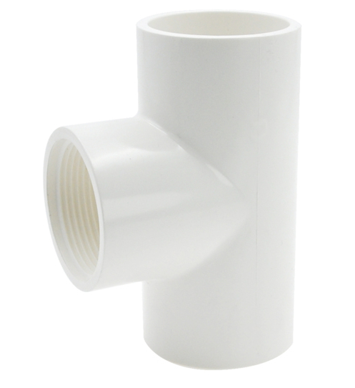
PVC SCH. 40 - TEE
 | E402-005 | 1/2" SCH. 40 PVC Tee SOC x SOC x FPT | 1/2" | Socket x Socket x FPT | $2.76 | $0.00 | 150
 | E402-007 | 3/4" SCH. 40 PVC Tee SOC x SOC x FPT | 3/4" | Socket x Socket x FPT | $4.24 | $0.00 | 100
 | E402-010 | 1" SCH. 40 PVC Tee SOC x SOC x FPT | 1" | Socket x Socket x FPT | $7.87 | $0.00 | 50
 | E402-015 | 1-1/2" SCH. 40 PVC Tee SOC x SOC x FPT | 1-1/2" | Socket x Socket x FPT | $16.31 | $0.00 | 25
 | E402-020 | 2" SCH. 40 PVC Tee SOC x SOC x FPT | 2" | Socket x Socket x FPT | $20.67 | $0.00 | 15
 | E402-030 | 3" SCH. 40 PVC Tee SOC x SOC x FPT | 3" | Socket x Socket x FPT | $80.12 | $0.00 | 5
 | E402-040 | 4" SCH. 40 PVC Tee SOC x SOC x FPT | 4" | Socket x Socket x FPT | $122.44 | $0.00 | 3
 |  |  |  |  | #N/A
PVC SCH. 40 - REDUCING TEE
 | E402-071 | 1/2" x 1/2" x 1/8" SCH. 40 PVC Reducing Tee SOC x SOC x FPT | 1/2" x 1/2" x 1/8" | Socket x Socket x FPT | $5.90 | $0.00 | 250
 | E402-101 | 3/4" x 3/4" x 1/2" SCH. 40 PVC Reducing Tee SOC x SOC x FPT | 3/4" x 3/4" x 1/2" | Socket x Socket x FPT | $3.64 | $0.00 | 100
 | E402-130 | 1" x 1" x 1/2" SCH. 40 PVC Reducing Tee SOC x SOC x FPT | 1" x 1" x 1/2" | Socket x Socket x FPT | $5.50 | $0.00 | 50
 | E402-131 | 1" x 1" x 3/4" SCH. 40 PVC Reducing Tee SOC x SOC x FPT | 1" x 1" x 3/4" | Socket x Socket x FPT | $7.87 | $0.00 | 50
 | E402-166 | 1-1/4" x 1-1/4" x 1/2" SCH. 40 PVC Reducing Tee SOC x SOC x FPT | 1-1/4" x 1-1/4" x 1/2" | Socket x Socket x FPT | $13.13 | $0.00 | 50
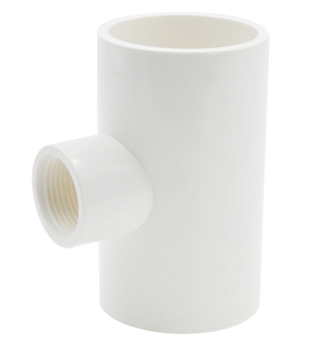
 | E402-167 | 1-1/4" x 1-1/4" x 3/4" SCH. 40 PVC Reducing Tee SOC x SOC x FPT | 1-1/4" x 1-1/4" x 3/4" | Socket x Socket x FPT | $13.13 | $0.00 | 50
 | E402-168 | 1-1/4" x 1-1/4" x 1" SCH. 40 PVC Reducing Tee SOC x SOC x FPT | 1-1/4" x 1-1/4" x 1" | Socket x Socket x FPT | $13.13 | $0.00 | 25
 | E402-209 | 1-1/2" x 1-1/2" x 1/2" SCH. 40 PVC Reducing Tee SOC x SOC x FPT | 1-1/2" x 1-1/2" x 1/2" | Socket x Socket x FPT | $16.31 | $0.00 | 50
 | E402-210 | 1-1/2" x 1-1/2" x 3/4" SCH. 40 PVC Reducing Tee SOC x SOC x FPT | 1-1/2" x 1-1/2" x 3/4" | Socket x Socket x FPT | $16.31 | $0.00 | 50
 | E402-211 | 1-1/2" x 1-1/2" x 1" SCH. 40 PVC Reducing Tee SOC x SOC x FPT | 1-1/2" x 1-1/2" x 1" | Socket x Socket x FPT | $16.31 | $0.00 | 25
 | E402-247 | 2" x 2" x 1/2" SCH. 40 PVC Reducing Tee SOC x SOC x FPT | 2" x 2" x 1/2" | Socket x Socket x FPT | $20.53 | $0.00 | 20
 | E402-248 | 2" x 2" x 3/4" SCH. 40 PVC Reducing Tee SOC x SOC x FPT | 2" x 2" x 3/4" | Socket x Socket x FPT | $20.53 | $0.00 | 20
 | E402-249 | 2" x 2" x 1" SCH. 40 PVC Reducing Tee SOC x SOC x FPT | 2" x 2" x 1" | Socket x Socket x FPT | $20.53 | $0.00 | 15
 | E402-251 | 2" x 2" x 1-1/2" SCH. 40 PVC Reducing Tee SOC x SOC x FPT | 2" x 2" x 1-1/2" | Socket x Socket x FPT | $20.53 | $0.00 | 10
 | E402-335 | 3" x 3" x 1" SCH. 40 PVC Reducing Tee SOC x SOC x FPT | 3" x 3" x 1" | Socket x Socket x FPT | $63.44 | $0.00 | 5
 | E402-422 | 4" x 4" x 3" SCH. 40 PVC Reducing Tee SOC x SOC x FPT | 4" x 4" x 3" | Socket x Socket x FPT | $106.01 | $0.00 | 3
 | E402-528 | 6" x 6" x 2" SCH. 40 PVC Reducing Tee SOC x SOC x FPT | 6" x 6" x 2" | Socket x Socket x FPT | $359.34 | $0.00 | 2
 | E402-532 | 6" x 6" x 4" SCH. 40 PVC Reducing Tee SOC x SOC x FPT | 6" x 6" x 4" | Socket x Socket x FPT | $359.34 | $0.00 | 2
 | E402-582 | 8" x 8" x 4" SCH. 40 PVC Reducing Tee SOC x SOC x FPT | 8" x 8" x 4" | Socket x Socket x FPT | $777.12 | $0.00 | 2

PVC SCH. 40 - TEE
 | E405-005 | 1/2" SCH. 40 PVC Tee FPT x FPT x FPT | 1/2" | Socket x Socket x FPT | $7.58 | $0.00 | 100
 | E405-010 | 1" SCH. 40 PVC Tee FPT x FPT x FPT | 1" | Socket x Socket x FPT | $16.49 | $0.00 | 50
 | E405-012 | 1-1/4" SCH. 40 PVC Tee FPT x FPT x FPT | 1-1/4" | Socket x Socket x FPT | $22.81 | $0.00 | 25
 | E405-015 | 1-1/2" SCH. 40 PVC Tee FPT x FPT x FPT | 1-1/2" | Socket x Socket x FPT | $23.54 | $0.00 | 25
 | E405-020 | 2" SCH. 40 PVC Tee FPT x FPT x FPT | 2" | Socket x Socket x FPT | $31.17 | $0.00 | 15

PVC SCH. 40 - 90° ELBOW
 | E406-005 | 1/2" SCH. 40 PVC 90° Elbow SOC x SOC | 1/2" | Socket x Socket | $1.66 | $0.00 | 250
 | E406-007 | 3/4" SCH. 40 PVC 90° Elbow SOC x SOC | 3/4" | Socket x Socket | $1.86 | $0.00 | 50
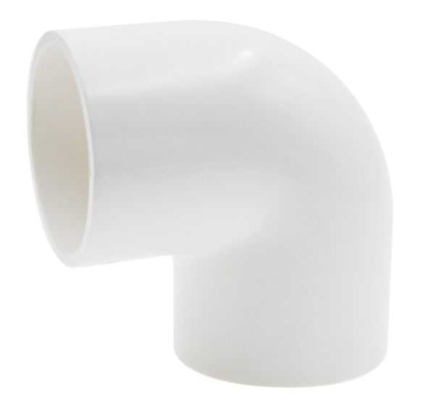
 | E406-010 | 1" SCH. 40 PVC 90° Elbow SOC x SOC | 1" | Socket x Socket | $3.34 | $0.00 | 50
 | E406-012 | 1-1/4" SCH. 40 PVC 90° Elbow SOC x SOC | 1-1/4" | Socket x Socket | $5.90 | $0.00 | 50
 | E406-015 | 1-1/2" SCH. 40 PVC 90° Elbow SOC x SOC | 1-1/2" | Socket x Socket | $6.37 | $0.00 | 50
 | E406-020 | 2" SCH. 40 PVC 90° Elbow SOC x SOC | 2" | Socket x Socket | $9.94 | $0.00 | 20
 | E406-025 | 2-1/2" SCH. 40 PVC 90° Elbow SOC x SOC | 2-1/2" | Socket x Socket | $30.33 | $0.00 | 10
 | E406-030 | 3" SCH. 40 PVC 90° Elbow SOC x SOC | 3" | Socket x Socket | $36.27 | $0.00 | 8
 | E406-040 | 4" SCH. 40 PVC 90° Elbow SOC x SOC | 4" | Socket x Socket | $64.85 | $0.00 | 3
 | E406-050 | 5" SCH. 40 PVC 90° Elbow SOC x SOC | 5" | Socket x Socket | $167.61 | $0.00 | 2
 | E406-060 | 6" SCH. 40 PVC 90° Elbow SOC x SOC | 6" | Socket x Socket | $206.29 | $0.00 | 1
 | E406-080 | 8" SCH. 40 PVC 90° Elbow SOC x SOC | 8" | Socket x Socket | $531.15 | $0.00 | 2
 | E406-100 | 10" SCH. 40 PVC 90° Elbow SOC x SOC | 10" | Socket x Socket | $2,000.79 | $0.00 | 1
 | E406-120 | 12" SCH. 40 PVC 90° Elbow SOC x SOC | 12" | Socket x Socket | $2,683.47 | $0.00 | 1

PVC SCH. 40 - REDUCING 90° ELBOW
 | E406-101 | 3/4" x 1/2" SCH. 40 PVC Reducing 90° Elbow SOC x SOC | 3/4" x 1/2" | Socket x Socket | $3.34 | $0.00 | 200
 | E406-130 | 1" x 1/2" SCH. 40 PVC Reducing 90° Elbow SOC x SOC | 1" x 1/2" | Socket x Socket | $4.99 | $0.00 | 100
 | E406-131 | 1" x 3/4" SCH. 40 PVC Reducing 90° Elbow SOC x SOC | 1" x 3/4" | Socket x Socket | $5.92 | $0.00 | 50
 | E406-251 | 2" x 1-1/2" SCH. 40 PVC Reducing 90° Elbow SOC x SOC | 2" x 1-1/2" | Socket x Socket | $25.57 | $0.00 | 25

PVC SCH. 40 - POOL SWEEP 90° ELBOW
 | E406-015SW | 1-1/2" SCH. 40 PVC SOC x SOC Pool Sweep Elbow | 1-1/2" | Socket x Socket | $10.24 | $0.00 | 25
 | E406-020SW | 2" SCH. 40 PVC SOC x SOC Pool Sweep Elbow | 2" | Socket x Socket | $12.79 | $0.00 | 25

PVC SCH. 40 - POOL SWEEP 90° ELBOW
 | E409-015SW | 1-1/2" SCH. 40 PVC SOC x SPIG Pool Sweep Elbow | 1-1/2" | Socket x Spigot | $11.92 | $0.00 | 25
 | E409-020SW | 2" SCH. 40 PVC SOC x SPIG Pool Sweep Elbow | 2" | Socket x Spigot | $14.95 | $0.00 | 25

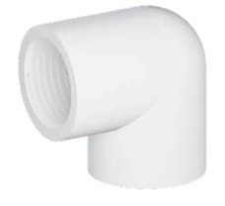
PVC SCH. 40 - 90° ELBOW
 | E407-005 | 1/2" SCH. 40 PVC 90° Elbow SOC x FPT | 1/2" | Socket x FPT | $2.05 | $0.00 | 250
 | E407-010 | 1" SCH. 40 PVC 90° Elbow SOC x FPT | 1" | Socket x FPT | $4.46 | $0.00 | 50
 | E407-015 | 1-1/2" SCH. 40 PVC 90° Elbow SOC x FPT | 1-1/2" | Socket x FPT | $8.26 | $0.00 | 25
 | E407-020 | 2" SCH. 40 PVC 90° Elbow SOC x FPT | 2" | Socket x FPT | $21.30 | $0.00 | 25
 | E407-030 | 3" SCH. 40 PVC 90° Elbow SOC x FPT | 3" | Socket x FPT | $78.95 | $0.00 | 10
 | E407-040 | 4" SCH. 40 PVC 90° Elbow SOC x FPT | 4" | Socket x FPT | $119.66 | $0.00 | 5

PVC SCH. 40 - REDUCING 90° ELBOW
 | E407-101 | 3/4" x 1/2" SCH. 40 PVC Reducing 90° Elbow SOC x FPT | 3/4" x 1/2" | Socket x FPT | $2.45 | $0.00 | 200
 | E407-130 | 1" x 1/2" SCH. 40 PVC Reducing 90° Elbow SOC x FPT | 1" x 1/2" | Socket x FPT | $6.83 | $0.00 | 100
 | E407-131 | 1" x 3/4" SCH. 40 PVC Reducing 90° Elbow SOC x FPT | 1" x 3/4" | Socket x FPT | $6.83 | $0.00 | 50
 | E407-211 | 1-1/2" x 1" SCH. 40 PVC Reducing 90° Elbow SOC x FPT | 1-1/2" x 1" | Socket x FPT | $16.51 | $0.00 | 25

PVC SCH. 40 - 90° ELBOW
 | E408-005 | 1/2" SCH. 40 PVC 90° Elbow FPT x FPT | 1/2" | FPT x FPT | $4.02 | $0.00 | 250
 | E408-010 | 1" SCH. 40 PVC 90° Elbow FPT x FPT | 1" | FPT x FPT | $12.69 | $0.00 | 50
 | E408-015 | 1-1/2" SCH. 40 PVC 90° Elbow FPT x FPT | 1-1/2" | FPT x FPT | $17.17 | $0.00 | 25

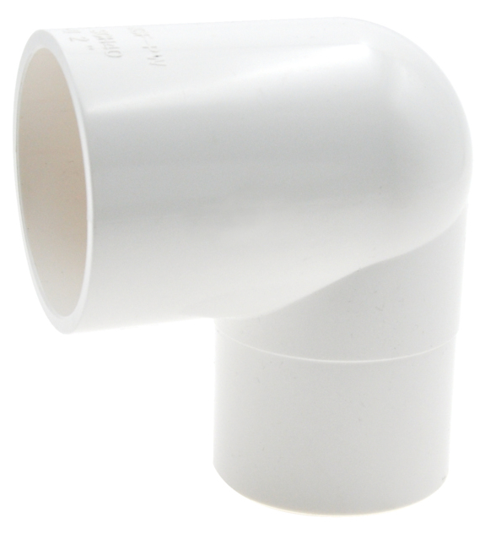
PVC SCH. 40 - 90° STREET ELBOW
 | E409-005 | 1/2" SCH. 40 PVC 90° Street Elbow SPIG x SOC | 1/2" | Spigot x Socket | $4.69 | $0.00 | 250
 | E409-007 | 3/4" SCH. 40 PVC 90° Street Elbow SPIG x SOC | 3/4" | Spigot x Socket | $5.77 | $0.00 | 150
 | E409-010 | 1" SCH. 40 PVC 90° Street Elbow SPIG x SOC | 1" | Spigot x Socket | $9.94 | $0.00 | 50
 | E409-012 | 1-1/4" SCH. 40 PVC 90° Street Elbow SPIG x SOC | 1-1/4" | Spigot x Socket | $11.92 | $0.00 | 50
 | E409-015 | 1-1/2" SCH. 40 PVC 90° Street Elbow SPIG x SOC | 1-1/2" | Spigot x Socket | $13.13 | $0.00 | 50
 | E409-020 | 2" SCH. 40 PVC 90° Street Elbow SPIG x SOC | 2" | Spigot x Socket | $25.36 | $0.00 | 20

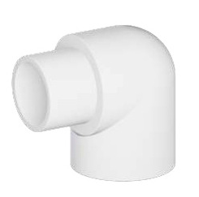
PVC SCH. 40 - 90° STREET ELBOW
 | E410-005 | 1/2" SCH. 40 PVC 90° Street Elbow MPT x SOC | 1/2" | MPT x Socket | $3.64 | $0.00 | 250
 | E410-007 | 3/4" SCH. 40 PVC 90° Street Elbow MPT x SOC | 3/4" | MPT x Socket | $4.24 | $0.00 | 150
 | E410-010 | 1" SCH. 40 PVC 90° Street Elbow MPT x SOC | 1" | MPT x Socket | $7.14 | $0.00 | 50
 | E410-012 | 1-1/4" SCH. 40 PVC 90° Street Elbow MPT x SOC | 1-1/4" | MPT x Socket | $9.94 | $0.00 | 50
 | E410-015 | 1-1/2" SCH. 40 PVC 90° Street Elbow MPT x SOC | 1-1/2" | MPT x Socket | $10.41 | $0.00 | 25
 | E410-020 | 2" SCH. 40 PVC 90° Street Elbow MPT x SOC | 2" | MPT x Socket | $25.62 | $0.00 | 20

PVC SCH. 40 - REDUCING 90° STREET ELBOW
 | E410-102 | 3/4" x 1" SCH. 40 PVC 90° Reducing Street Elbow MPT x SOC | 3/4" x 1" | MPT x Socket | $8.82 | $0.00 | 100

PVC SCH. 40 - 90° STREET ELBOW
 | E411-010 | 1" SCH. 40 PVC 90° Street Elbow SPIG x FPT | 1" | Spigot x FPT | $9.53 | $0.00 | 50

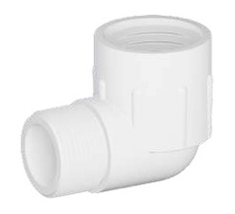
PVC SCH. 40 - 90° STREET ELBOW
 | E412-005 | 1/2" SCH. 40 PVC 90° Street Elbow MPT x FPT | 1/2" | MPT x FPT | $4.86 | $0.00 | 250
 | E412-006 | 1/2" SCH. 40 PVC 90° Street Elbow MPT x FPT Marlex | 1/2" | MPT x FPT Marlex | $4.07 | $0.00 | 250
 | E412-008 | 3/4" SCH. 40 PVC 90° Street Elbow MPT x FPT Marlex | 3/4" | MPT x FPT Marlex | $4.91 | $0.00 | 250
 | E412-010 | 1" SCH. 40 PVC 90° Street Elbow MPT x FPT | 1" | MPT x FPT | $10.24 | $0.00 | 100
 | E412-011 | 1" SCH. 40 PVC 90° Street Elbow MPT x FPT Marlex | 1" | MPT x FPT Marlex | $8.58 | $0.00 | 100
 | E412-015 | 1-1/2" SCH. 40 PVC 90° Street Elbow MPT x FPT | 1-1/2" | MPT x FPT | $13.79 | $0.00 | 25
 | E412-020 | 2" SCH. 40 PVC 90° Street Elbow MPT x FPT | 2" | MPT x FPT | $26.24 | $0.00 | 20

PVC SCH. 40 - Side Outlet 90° ELBOW
 | E413-005 | 1/2" SCH. 40 PVC Side Outlet 90° Elbow SOC x SOC x SOC | 1/2" | Socket x Socket x Socket | $9.00 | $0.00 | 100

PVC SCH. 40 - Side Outlet 90° ELBOW
 | E414-101 | 3/4" x 3/4" x 1/2" SCH. 40 PVC Side Outlet 90° SOC x SOC x FPT | 3/4" x 3/4" x 1/2" | Socket x Socket x FPT | $11.36 | $0.00 | 100

PVC SCH. 40 - 45° ELBOW
 | E417-005 | 1/2" SCH. 40 PVC 45° Elbow SOC x SOC | 1/2" | Socket x Socket | $2.76 | $0.00 | 250
 | E417-007 | 3/4" SCH. 40 PVC 45° Elbow SOC x SOC | 3/4" | Socket x Socket | $4.24 | $0.00 | 100
 | E417-010 | 1" SCH. 40 PVC 45° Elbow SOC x SOC | 1" | Socket x Socket | $5.11 | $0.00 | 100
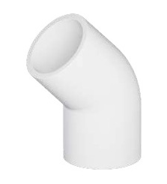
 | E417-012 | 1-1/4" SCH. 40 PVC 45° Elbow SOC x SOC | 1-1/4" | Socket x Socket | $7.14 | $0.00 | 50
 | E417-015 | 1-1/2" SCH. 40 PVC 45° Elbow SOC x SOC | 1-1/2" | Socket x Socket | $8.93 | $0.00 | 50
 | E417-020 | 2" SCH. 40 PVC 45° Elbow SOC x SOC | 2" | Socket x Socket | $11.67 | $0.00 | 20
 | E417-025 | 2-1/2" SCH. 40 PVC 45° Elbow SOC x SOC | 2-1/2" | Socket x Socket | $30.37 | $0.00 | 10
 | E417-030 | 3" SCH. 40 PVC 45° Elbow SOC x SOC | 3" | Socket x Socket | $47.13 | $0.00 | 8
 | E417-040 | 4" SCH. 40 PVC 45° Elbow SOC x SOC | 4" | Socket x Socket | $84.48 | $0.00 | 3
 | E417-050 | 5" SCH. 40 PVC 45° Elbow SOC x SOC | 5" | Socket x Socket | $167.61 | $0.00 | 2
 | E417-060 | 6" SCH. 40 PVC 45° Elbow SOC x SOC | 6" | Socket x Socket | $208.76 | $0.00 | 2
 | E417-080 | 8" SCH. 40 PVC 45° Elbow SOC x SOC | 8" | Socket x Socket | $502.08 | $0.00 | 2
 | E417-100 | 10" SCH. 40 PVC 45° Elbow SOC x SOC | 10" | Socket x Socket | $1,307.02 | $0.00 | 1
 | E417-120 | 12" SCH. 40 PVC 45° Elbow SOC x SOC | 12" | Socket x Socket | $1,936.95 | $0.00 | 1

PVC SCH. 40 - CROSS
 | E420-005 | 1/2" SCH. 40 PVC Cross SOC x SOC x SOC x SOC | 1/2" | All Socket | $6.37 | $0.00 | 100
 | E420-007 | 3/4" SCH. 40 PVC Cross SOC x SOC x SOC x SOC | 3/4" | All Socket | $10.54 | $0.00 | 50
 | E420-010 | 1" SCH. 40 PVC Cross SOC x SOC x SOC x SOC | 1" | All Socket | $13.13 | $0.00 | 25
 | E420-020 | 2" SCH. 40 PVC Cross SOC x SOC x SOC x SOC | 2" | All Socket | $29.02 | $0.00 | 10

PVC SCH. 40 - 45° STREET ELBOW
 | E427-015 | 1-1/2" SCH. 40 PVC 45° Street Elbow SPIG x SOC | 1-1/2" | Spigot x Socket | $8.93 | $0.00 | 50
 | E427-020 | 2" SCH. 40 PVC 45° Street Elbow SPIG x SOC | 2" | Spigot x Socket | $11.67 | $0.00 | 20

PVC SCH. 40 - COUPLING
 | E429-005 | 1/2" SCH. 40 PVC Coupling SOC x SOC | 1/2" | Socket x Socket | $1.08 | $0.00 | 250
 | E429-006 | 1/2" SCH. 40 PVC Coupling SOC x SOC Nested | 1/2" | Socket x Socket Nested | $1.08 | $0.00 | 250
 | E429-007 | 3/4" SCH. 40 PVC Coupling SOC x SOC | 3/4" | Socket x Socket | $1.50 | $0.00 | 100
 | E429-010 | 1" SCH. 40 PVC Coupling SOC x SOC | 1" | Socket x Socket | $2.63 | $0.00 | 100
 | E429-012 | 1-1/4" SCH. 40 PVC Coupling SOC x SOC | 1-1/4" | Socket x Socket | $3.64 | $0.00 | 50
 | E429-015 | 1-1/2" SCH. 40 PVC Coupling SOC x SOC | 1-1/2" | Socket x Socket | $3.89 | $0.00 | 50
 | E429-020 | 2" SCH. 40 PVC Coupling SOC x SOC | 2" | Socket x Socket | $5.92 | $0.00 | 25
 | E429-025 | 2-1/2" SCH. 40 PVC Coupling SOC x SOC | 2-1/2" | Socket x Socket | $13.13 | $0.00 | 25
 | E429-030 | 3" SCH. 40 PVC Coupling SOC x SOC | 3" | Socket x Socket | $20.58 | $0.00 | 10
 | E429-040 | 4" SCH. 40 PVC Coupling SOC x SOC | 4" | Socket x Socket | $29.79 | $0.00 | 6
 | E429-050 | 5" SCH. 40 PVC Coupling SOC x SOC | 5" | Socket x Socket | $54.50 | $0.00 | 5
 | E429-060 | 6" SCH. 40 PVC Coupling SOC x SOC | 6" | Socket x Socket | $94.14 | $0.00 | 4
 | E429-080 | 8" SCH. 40 PVC Coupling SOC x SOC | 8" | Socket x Socket | $175.78 | $0.00 | 5
 | E429-100 | 10" SCH. 40 PVC Coupling SOC x SOC | 10" | Socket x Socket | $512.25 | $0.00 | 1

PVC SCH. 40 - SHORT COUPLING
 | ES429-015 | 1-1/2" SCH. 40 PVC Short Coupling SOC x SOC | 1-1/2" | Socket x Socket | $3.28 | $0.00 | 50
 | ES429-020 | 2" SCH. 40 PVC Short Coupling SOC x SOC | 2" | Socket x Socket | $5.16 | $0.00 | 25

PVC SCH. 40 - REDUCING COUPLING
 | E429-101 | 3/4" x 1/2" SCH. 40 PVC Reducing Coupling SOC x SOC | 3/4" x 1/2" | Socket x Socket | $2.76 | $0.00 | 100
 | E429-131 | 1" x 3/4" SCH. 40 PVC Reducing Coupling SOC x SOC | 1" x 3/4" | Socket x Socket | $4.69 | $0.00 | 40
 | E429-211 | 1-1/2" x 1" SCH. 40 PVC Reducing Coupling SOC x SOC | 1-1/2" x 1" | Socket x Socket | $12.88 | $0.00 | 20
 | E429-251 | 2" x 1-1/2" SCH. 40 PVC Reducing Coupling SOC x SOC | 2" x 1-1/2" | Socket x Socket | $13.28 | $0.00 | 30

PVC SCH. 40 - THREADED COUPLING
 | E430-005 | 1/2" SCH. 40 PVC Threaded Coupling FPT x FPT | 1/2" | FPT x FPT | $2.08 | $0.00 | 250
 | E430-101 | 3/4" x 1/2" SCH. 40 PVC Reducing Threaded Coupling FPT x FPT | 3/4" x 1/2" | FPT x FPT | $5.04 | $0.00 | 250
 | E430-131 | 1" x 3/4" SCH. 40 PVC Reducing Threaded Coupling FPT x FPT | 1" x 3/4" | FPT x FPT | $8.68 | $0.00 | 100
 | E430-212 | 1-1/2" x 1-1/4" SCH. 40 PVC Reducing Thread Coupling FPT x FPT | 1-1/2" x 1-1/4" | FPT x FPT | $44.02 | $0.00 | 50
 | E430-251 | 2" x 1-1/2" SCH. 40 PVC Reducing Threaded Coupling FPT x FPT | 2" x 1-1/2" | FPT x FPT | $52.37 | $0.00 | 50

PVC SCH. 40 - FITTING ADAPTER
 | E433-007 | 3/4" SCH. 40 PVC Male Fitting Adapter SPIG x MPT | 3/4" | Spigot x MPT | $2.99 | $0.00 | 250
 | E433-010 | 1" SCH. 40 PVC Male Fitting Adapter SPIG x MPT | 1" | Spigot x MPT | $5.19 | $0.00 | 100
 | E433-015 | 1-1/2" SCH. 40 PVC Male Fitting Adapter SPIG x MPT | 1-1/2" | Spigot x MPT | $8.51 | $0.00 | 50
 | E433-020 | 2" SCH. 40 PVC Male Fitting Adapter SPIG x MPT | 2" | Spigot x MPT | $10.53 | $0.00 | 25
 |  |  |  |  | #N/A
PVC SCH. 40 - FEMALE ADAPTER
 | E435-005 | 1/2" SCH. 40 PVC Female Adapter SOC x FPT | 1/2" | Socket x FPT | $1.86 | $0.00 | 250
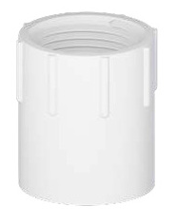
 | E435-007 | 3/4" SCH. 40 PVC Female Adapter SOC x FPT | 3/4" | Socket x FPT | $2.38 | $0.00 | 100
 | E435-010 | 1" SCH. 40 PVC Female Adapter SOC x FPT | 1" | Socket x FPT | $2.76 | $0.00 | 100
 | E435-012 | 1-1/4" SCH. 40 PVC Female Adapter SOC x FPT | 1-1/4" | Socket x FPT | $4.24 | $0.00 | 50
 | E435-015 | 1-1/2" SCH. 40 PVC Female Adapter SOC x FPT | 1-1/2" | Socket x FPT | $4.86 | $0.00 | 50
 | E435-020 | 2" SCH. 40 PVC Female Adapter SOC x FPT | 2" | Socket x FPT | $6.54 | $0.00 | 25
 | E435-025 | 2-1/2" SCH. 40 PVC Female Adapter SOC x FPT | 2-1/2" | Socket x FPT | $16.51 | $0.00 | 15
 | E435-030 | 3" SCH. 40 PVC Female Adapter SOC x FPT | 3" | Socket x FPT | $22.23 | $0.00 | 10
 | E435-040 | 4" SCH. 40 PVC Female Adapter SOC x FPT | 4" | Socket x FPT | $36.84 | $0.00 | 5

PVC SCH. 40 - REDUCING FEMALE ADAPTER
 | E435-074 | 1/2" x 3/4" SCH. 40 PVC Reducing Female Adapter SOC x FPT | 1/2" x 3/4" | Socket x FPT | $3.34 | $0.00 | 250
 | E435-101 | 3/4" x 1/2" SCH. 40 PVC Reducing Female Adapter SOC x FPT | 3/4" x 1/2" | Socket x FPT | $3.34 | $0.00 | 250
 | E435-130 | 1" x 1/2" SCH. 40 PVC Reducing Female Adapter SOC x FPT | 1" x 1/2" | Socket x FPT | $4.46 | $0.00 | 100
 | E435-131 | 1" x 3/4" SCH. 40 PVC Reducing Female Adapter SOC x FPT | 1" x 3/4" | Socket x FPT | $4.46 | $0.00 | 100
 | E435-213 | 1-1/2" x 2" SCH. 40 PVC Reducing Female Adapter SOC x FPT | 1-1/2" x 2" | Socket x FPT | $8.93 | $0.00 | 25

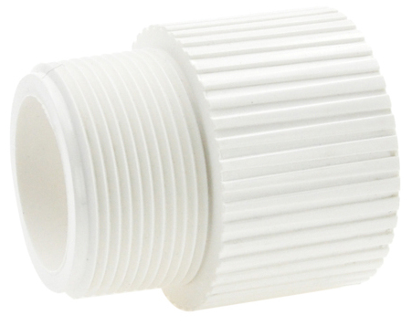
PVC SCH. 40 - MALE ADAPTER
 | E436-005 | 1/2" SCH. 40 PVC Male Adapter MPT x SOC | 1/2" | MPT x Socket | $1.50 | $0.00 | 250
 | E436-007 | 3/4" SCH. 40 PVC Male Adapter MPT x SOC | 3/4" | MPT x Socket | $1.66 | $0.00 | 150
 | E436-010 | 1" SCH. 40 PVC Male Adapter MPT x SOC | 1" | MPT x Socket | $2.99 | $0.00 | 100
 | E436-012 | 1-1/4" SCH. 40 PVC Male Adapter MPT x SOC | 1-1/4" | MPT x Socket | $3.64 | $0.00 | 50
 | E436-015 | 1-1/2" SCH. 40 PVC Male Adapter MPT x SOC | 1-1/2" | MPT x Socket | $4.86 | $0.00 | 50
 | E436-020 | 2" SCH. 40 PVC Male Adapter MPT x SOC | 2" | MPT x Socket | $6.39 | $0.00 | 25
 | E436-030 | 3" SCH. 40 PVC Male Adapter MPT x SOC | 3" | MPT x Socket | $27.58 | $0.00 | 16
 | E436-040 | 4" SCH. 40 PVC Male Adapter MPT x SOC | 4" | MPT x Socket | $35.19 | $0.00 | 12

PVC SCH. 40 - REDUCING MALE ADAPTER
 | E436-074 | 1/2" x 3/4" SCH. 40 PVC Reducing Male Adapter MPT x SOC | 1/2" x 3/4" | MPT x Socket | $2.99 | $0.00 | 250
 | E436-075 | 1/2" x 1" SCH. 40 PVC Reducing Male Adapter MPT x SOC | 1/2" x 1" | MPT x Socket | $4.04 | $0.00 | 100
 | E436-101 | 3/4" x 1/2" SCH. 40 PVC Reducing Male Adapter MPT x SOC | 3/4" x 1/2" | MPT x Socket | $2.76 | $0.00 | 250
 | E436-102 | 3/4" x 1" SCH. 40 PVC Reducing Male Adapter MPT x SOC | 3/4" x 1" | MPT x Socket | $4.24 | $0.00 | 100
 | E436-103 | 3/4" x 1-1/4" SCH. 40 PVC Reducing Male Adapter MPT x SOC | 3/4" x 1-1/4" | MPT x Socket | $7.14 | $0.00 | 100
 | E436-131 | 1" x 3/4" SCH. 40 PVC Reducing Male Adapter MPT x SOC | 1" x 3/4" | MPT x Socket | $9.17 | $0.00 | 200
 | E436-132 | 1" x 1-1/4" SCH. 40 PVC Reducing Male Adapter MPT x SOC | 1" x 1-1/4" | MPT x Socket | $9.94 | $0.00 | 50
 | E436-168 | 1-1/4" x 1" SCH. 40 PVC Reducing Male Adapter MPT x SOC | 1-1/4" x 1" | MPT x Socket | $11.23 | $0.00 | 100
 | E436-169 | 1-1/4" x 1-1/2" SCH. 40 PVC Reducing Male Adapt MPT x SOC | 1-1/4" x 1-1/2" | MPT x Socket | $11.23 | $0.00 | 125
 | E436-211-2 | 1-1/2" x 1" SCH. 40 PVC Reducing Male Adapter MPT x SOC | 1-1/2" x 1" | MPT x Socket | $10.18 | $0.00 | 125
 | E436-212 | 1-1/2" x 1-1/4" SCH. 40 PVC Reducing Male Adapter MPT x SOC | 1-1/2" x 1-1/4" | MPT x Socket | $13.55 | $0.00 | 50
 | E436-213 | 1-1/2" x 2" SCH. 40 PVC Reducing Male Adapter MPT x SOC | 1-1/2" x 2" | MPT x Socket | $13.55 | $0.00 | 50
 | E436-251-2 | 2" x 1-1/2" SCH. 40 PVC Reducing Male Adapter MPT x SOC | 2" x 1-1/2" | MPT x Socket | $15.48 | $0.00 | 50
 | E436-341 | 3" x 4" SCH. 40 PVC Reducing Male Adapter MPT x SOC | 3" x 4" | MPT x Socket | $46.63 | $0.00 | 6

PVC SCH. 40 - BUSHING
 | E437-101 | 3/4" x 1/2" SCH. 40 PVC Bushing SPIG x SOC | 3/4" x 1/2" | Spigot x Socket | $1.75 | $0.00 | 250
 | E437-130 | 1" x 1/2" SCH. 40 PVC Bushing SPIG x SOC | 1" x 1/2" | Spigot x Socket | $3.14 | $0.00 | 250
 | E437-131 | 1" x 3/4" SCH. 40 PVC Bushing SPIG x SOC | 1" x 3/4" | Spigot x Socket | $3.14 | $0.00 | 250
 | E437-167 | 1-1/4" x 3/4" SCH. 40 PVC Bushing SPIG x SOC | 1-1/4" x 3/4" | Spigot x Socket | $4.24 | $0.00 | 150
 | E437-168 | 1-1/4" x 1" SCH. 40 PVC Bushing SPIG x SOC | 1-1/4" x 1" | Spigot x Socket | $4.24 | $0.00 | 150
 | E437-209 | 1-1/2" x 1/2" SCH. 40 PVC Bushing SPIG x S | 1-1/2" x 1/2" | Spigot x Socket | $4.51 | $0.00 | 100
 | E437-210 | 1-1/2" x 3/4" SCH. 40 PVC Bushing SPIG x S | 1-1/2" x 3/4" | Spigot x Socket | $4.51 | $0.00 | 100
 | E437-211 | 1-1/2" x 1" SCH. 40 PVC Bushing SPIG x SOC | 1-1/2" x 1" | Spigot x Socket | $4.51 | $0.00 | 100
 | E437-212 | 1-1/2" x 1-1/4" SCH. 40 PVC Bushing SPIG x SOC | 1-1/2" x 1-1/4" | Spigot x Socket | $4.51 | $0.00 | 100
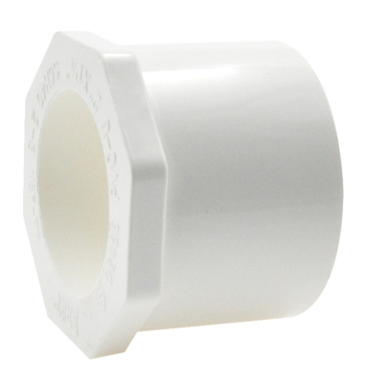
 | E437-247 | 2" x 1/2" SCH. 40 PVC Bushing SPIG x SOC | 2" x 1/2" | Spigot x Socket | $7.42 | $0.00 | 50
 | E437-248 | 2" x 3/4" SCH. 40 PVC Bushing SPIG x SOC | 2" x 3/4" | Spigot x Socket | $7.42 | $0.00 | 50
 | E437-249 | 2" x 1" SCH. 40 PVC Bushing SPIG x SOC | 2" x 1" | Spigot x Socket | $7.42 | $0.00 | 50
 | E437-251 | 2" x 1-1/2" SCH. 40 PVC Bushing SPIG x SOC | 2" x 1-1/2" | Spigot x Socket | $7.42 | $0.00 | 50
 | E437-288 | 2-1/2" x 3/4" SCH. 40 PVC Bushing SPIG x SOC | 2-1/2" x 3/4" | Spigot x Socket | $11.94 | $0.00 | 25
 | E437-291 | 2-1/2" x 1-1/2" SCH. 40 PVC Bushing SPIG x SOC | 2-1/2" x 1-1/2" | Spigot x Socket | $11.94 | $0.00 | 25
 | E437-292 | 2-1/2" x 2" SCH. 40 PVC Bushing SPIG x SOC | 2-1/2" x 2" | Spigot x Socket | $11.94 | $0.00 | 25
 | E437-335 | 3" x 1" SCH. 40 PVC Bushing SPIG x SOC | 3" x 1" | Spigot x Socket | $17.59 | $0.00 | 25
 | E437-337 | 3" x 1-1/2" SCH. 40 PVC Bushing SPIG x SOC | 3" x 1-1/2" | Spigot x Socket | $17.59 | $0.00 | 25
 | E437-338 | 3" x 2" SCH. 40 PVC Bushing SPIG x SOC | 3" x 2" | Spigot x Socket | $17.59 | $0.00 | 25
 | E437-339 | 3" x 2-1/2" SCH. 40 PVC Bushing SPIG x SOC | 3" x 2-1/2" | Spigot x Socket | $17.59 | $0.00 | 25
 | E437-420 | 4" x 2" SCH. 40 PVC Bushing SPIG x SOC | 4" x 2" | Spigot x Socket | $39.36 | $0.00 | 10
 | E437-422 | 4" x 3" SCH. 40 PVC Bushing SPIG x SOC | 4" x 3" | Spigot x Socket | $39.36 | $0.00 | 10
 | E437-488 | 5" x 3" SCH. 40 PVC Bushing SPIG x SOC | 5" x 3" | Spigot x Socket | $55.37 | $0.00 | 5
 | E437-490 | 5" x 4" SCH. 40 PVC Bushing SPIG x SOC | 5" x 4" | Spigot x Socket | $55.37 | $0.00 | 5
 | E437-528 | 6" x 2" SCH. 40 PVC Bushing SPIG x SOC | 6" x 2" | Spigot x Socket | $97.52 | $0.00 | 2
 | E437-530 | 6" x 3" SCH. 40 PVC Bushing SPIG x SOC | 6" x 3" | Spigot x Socket | $97.52 | $0.00 | 4
 | E437-532 | 6" x 4" SCH. 40 PVC Bushing SPIG x SOC | 6" x 4" | Spigot x Socket | $97.52 | $0.00 | 4
 | E437-534 | 6" x 5" SCH. 40 PVC Bushing SPIG x SOC | 6" x 5" | Spigot x Socket | $97.52 | $0.00 | 4
 | E437-578 | 8" x 2" SCH. 40 PVC Bushing SPIG x SOC | 8" x 2" | Spigot x Socket | $339.97 | $0.00 | 2
 | E437-582 | 8" x 4" SCH. 40 PVC Bushing SPIG x SOC | 8" x 4" | Spigot x Socket | $339.85 | $0.00 | 2
 | E437-585 | 8" x 6" SCH. 40 PVC Bushing SPIG x SOC | 8" x 6" | Spigot x Socket | $339.85 | $0.00 | 2
 | E437-626 | 10" x 6" SCH. 40 PVC Bushing SPIG x SOC | 10" x 6" | Spigot x Socket | $925.20 | $0.00 | 1
 | E437-628 | 10" x 8" SCH. 40 PVC Bushing SPIG x SOC | 10" x 8" | Spigot x Socket | $925.20 | $0.00 | 1
 | E437-666 | 12" x 6" SCH. 40 PVC Bushing SPIG x SOC | 12" x 6" | Spigot x Socket | $736.09 | $0.00 | 1
 | E437-668 | 12" x 8" SCH. 40 PVC Bushing SPIG x SOC | 12" x 8" | Spigot x Socket | $1,028.92 | $0.00 | 1
 | E437-670 | 12" x 10" SCH. 40 PVC Bushing SPIG x SOC | 12" x 10" | Spigot x Socket | $1,028.98 | $0.00 | 1

PVC SCH. 40 - BUSHING
 | E438-071 | 1/2" x 1/8" SCH. 40 PVC Bushing SPIG x FPT | 1/2" x 1/8" | Spigot x FPT | $3.64 | $0.00 | 250
 | E438-072 | 1/2" x 1/4" SCH. 40 PVC Bushing SPIG x FPT | 1/2" x 1/4" | Spigot x FPT | $3.64 | $0.00 | 250
 | E438-073 | 1/2" x 3/8" SCH. 40 PVC Bushing SPIG x FPT | 1/2" x 3/8" | Spigot x FPT | $3.64 | $0.00 | 250
 | E438-098 | 3/4" x 1/4" SCH. 40 PVC Bushing SPIG x FPT | 3/4" x 1/4" | Spigot x FPT | $3.64 | $0.00 | 250
 | E438-101 | 3/4" x 1/2" SCH. 40 PVC Bushing SPIG x FPT | 3/4" x 1/2" | Spigot x FPT | $2.76 | $0.00 | 500
 | E438-128 | 1" x 1/4" SCH. 40 PVC Bushing SPIG x FPT | 1" x 1/4" | Spigot x FPT | $4.46 | $0.00 | 250
 | E438-130 | 1" x 1/2" SCH. 40 PVC Bushing SPIG x FPT | 1" x 1/2" | Spigot x FPT | $4.46 | $0.00 | 250
 | E438-131 | 1" x 3/4" SCH. 40 PVC Bushing SPIG x FPT | 1" x 3/4" | Spigot x FPT | $4.46 | $0.00 | 250
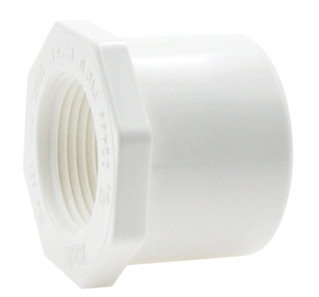
 | E438-166 | 1-1/4" x 1/2" SCH. 40 PVC Bushing SPIG x FPT | 1-1/4" x 1/2" | Spigot x FPT | $6.83 | $0.00 | 150
 | E438-167 | 1-1/4" x 3/4" SCH. 40 PVC Bushing SPIG x FPT | 1-1/4" x 3/4" | Spigot x FPT | $6.83 | $0.00 | 150
 | E438-168 | 1-1/4" x 1" SCH. 40 PVC Bushing SPIG x FPT | 1-1/4" x 1" | Spigot x FPT | $6.83 | $0.00 | 25
 | E438-209 | 1-1/2" x 1/2" SCH. 40 PVC Bushing SPIG x FPT | 1-1/2" x 1/2" | Spigot x FPT | $7.87 | $0.00 | 100
 | E438-210 | 1-1/2" x 3/4" SCH. 40 PVC Bushing SPIG x FPT | 1-1/2" x 3/4" | Spigot x FPT | $7.87 | $0.00 | 100
 | E438-211 | 1-1/2" x 1" SCH. 40 PVC Bushing SPIG x FPT | 1-1/2" x 1" | Spigot x FPT | $7.87 | $0.00 | 100
 | E438-212 | 1-1/2" x 1-1/4" SCH. 40 PVC Bushing SPIG x FPT | 1-1/2" x 1-1/4" | Spigot x FPT | $7.87 | $0.00 | 100
 | E438-247 | 2" x 1/2" SCH. 40 PVC Bushing SPIG x FPT | 2" x 1/2" | Spigot x FPT | $10.54 | $0.00 | 50
 | E438-248 | 2" x 3/4" SCH. 40 PVC Bushing SPIG x FPT | 2" x 3/4" | Spigot x FPT | $10.54 | $0.00 | 50
 | E438-249 | 2" x 1" SCH. 40 PVC Bushing SPIG x FPT | 2" x 1" | Spigot x FPT | $10.54 | $0.00 | 50
 | E438-250 | 2" x 1-1/4" SCH. 40 PVC Bushing SPIG x FPT | 2" x 1-1/4" | Spigot x FPT | $10.54 | $0.00 | 50
 | E438-251 | 2" x 1-1/2" SCH. 40 PVC Bushing SPIG x FPT | 2" x 1-1/2" | Spigot x FPT | $10.54 | $0.00 | 50
 | E438-335 | 3" x 1" SCH. 40 PVC Bushing SPIG x FPT | 3" x 1" | Spigot x FPT | $17.59 | $0.00 | 25
 | E438-338 | 3" x 2" SCH. 40 PVC Bushing SPIG x FPT | 3" x 2" | Spigot x FPT | $17.59 | $0.00 | 25
 | E438-417 | 4" x 1" SCH. 40 PVC Bushing SPIG x FPT | 4" x 1" | Spigot x FPT | $39.29 | $0.00 | 10
 | E438-420 | 4" x 2" SCH. 40 PVC Bushing SPIG x FPT | 4" x 2" | Spigot x FPT | $39.29 | $0.00 | 10
 | E438-422 | 4" x 3" SCH. 40 PVC Bushing SPIG x FPT | 4" x 3" | Spigot x FPT | $39.29 | $0.00 | 10

PVC SCH. 40 - BUSHING
 | E439-072 | 1/2" x 1/4" SCH. 40 PVC Bushing MPT x FPT | 1/2" x 1/4" | MPT x FPT | $7.87 | $0.00 | 500
 | E439-073 | 1/2" x 3/8" SCH. 40 PVC Bushing MPT x FPT | 1/2" x 3/8" | MPT x FPT | $7.87 | $0.00 | 500
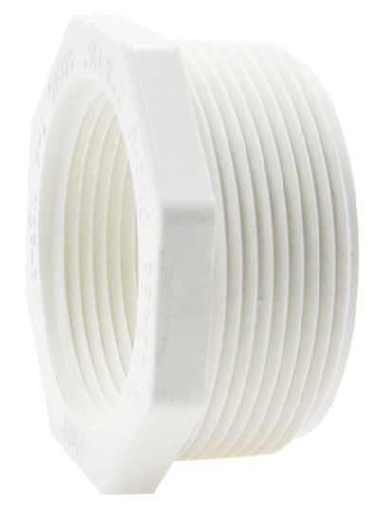
 | E439-101 | 3/4" x 1/2" SCH. 40 PVC Bushing MPT x FPT | 3/4" x 1/2" | MPT x FPT | $4.86 | $0.00 | 500
 | E439-130 | 1" x 1/2" SCH. 40 PVC Bushing MPT x FPT | 1" x 1/2" | MPT x FPT | $6.83 | $0.00 | 250
 | E439-131 | 1" x 3/4" SCH. 40 PVC Bushing MPT x FPT | 1" x 3/4" | MPT x FPT | $6.83 | $0.00 | 250
 | E439-167 | 1-1/4" x 3/4" SCH. 40 PVC Bushing MPT x FPT | 1-1/4" x 3/4" | MPT x FPT | $10.17 | $0.00 | 150
 | E439-168 | 1-1/4" x 1" SCH. 40 PVC Bushing MPT x FPT | 1-1/4" x 1" | MPT x FPT | $10.17 | $0.00 | 150
 | E439-209 | 1-1/2" x 1/2" SCH. 40 PVC Bushing MPT x FPT | 1-1/2" x 1/2" | MPT x FPT | $12.27 | $0.00 | 100
 | E439-210 | 1-1/2" x 3/4" SCH. 40 PVC Bushing MPT x FPT | 1-1/2" x 3/4" | MPT x FPT | $12.27 | $0.00 | 100
 | E439-211 | 1-1/2" x 1" SCH. 40 PVC Bushing MPT x FPT | 1-1/2" x 1" | MPT x FPT | $12.27 | $0.00 | 100
 | E439-212 | 1-1/2" x 1-1/4" SCH. 40 PVC Bushing MPT x FPT | 1-1/2" x 1-1/4" | MPT x FPT | $12.27 | $0.00 | 100
 | E439-251 | 2" x 1-1/2" SCH. 40 PVC Bushing MPT x FPT | 2" x 1-1/2" | MPT x FPT | $13.13 | $0.00 | 50

PVC SCH. 40 - END CAP
 | E447-005 | 1/2" SCH. 40 PVC End Cap SOC | 1/2" | Socket | $1.50 | $0.00 | 250
 | E447-007 | 3/4" SCH. 40 PVC End Cap SOC | 3/4" | Socket | $1.75 | $0.00 | 200
 | E447-010 | 1" SCH. 40 PVC End Cap SOC | 1" | Socket | $2.76 | $0.00 | 250
 | E447-012 | 1-1/4" SCH. 40 PVC End Cap SOC | 1-1/4" | Socket | $3.89 | $0.00 | 125
 | E447-015 | 1-1/2" SCH. 40 PVC End Cap SOC | 1-1/2" | Socket | $4.24 | $0.00 | 50
 | E447-020 | 2" SCH. 40 PVC End Cap SOC | 2" | Socket | $5.11 | $0.00 | 50
 | E447-025 | 2-1/2" SCH. 40 PVC End Cap SOC | 2-1/2" | Socket | $16.31 | $0.00 | 25
 | E447-030 | 3" SCH. 40 PVC End Cap SOC | 3" | Socket | $17.80 | $0.00 | 15
 | E447-040 | 4" SCH. 40 PVC End Cap SOC | 4" | Socket | $40.50 | $0.00 | 9
 | E447-050 | 5" SCH. 40 PVC End Cap SOC | 5" | Socket | $68.05 | $0.00 | 5
 | E447-060 | 6" SCH. 40 PVC End Cap SOC | 6" | Socket | $97.12 | $0.00 | 3
 | E447-080 | 8" SCH. 40 PVC End Cap SOC | 8" | Socket | $243.99 | $0.00 | 2
 | E447-100 | 10" SCH. 40 PVC End Cap SOC | 10" | Socket | $543.88 | $0.00 | 1
 | E447-120 | 12" SCH. 40 PVC End Cap SOC | 12" | Socket | $790.15 | $0.00 | 2

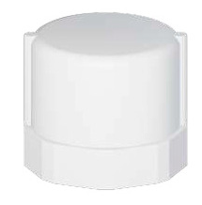
PVC SCH. 40 - END CAP
 | E448-005 | 1/2" SCH. 40 PVC End Cap FPT | 1/2" | FPT | $3.14 | $0.00 | 250
 | E448-007 | 3/4" SCH. 40 PVC End Cap FPT | 3/4" | FPT | $3.64 | $0.00 | 250
 | E448-010 | 1" SCH. 40 PVC End Cap FPT | 1" | FPT | $5.50 | $0.00 | 250
 | E448-012 | 1-1/4" SCH. 40 PVC End Cap FPT | 1-1/4" | FPT | $6.54 | $0.00 | 125
 | E448-015 | 1-1/2" SCH. 40 PVC End Cap FPT | 1-1/2" | FPT | $6.83 | $0.00 | 50
 | E448-020 | 2" SCH. 40 PVC End Cap FPT | 2" | FPT | $12.09 | $0.00 | 50
 | E448-025 | 2-1/2" SCH. 40 PVC End Cap FPT | 2-1/2" | FPT | $17.80 | $0.00 | 25
 | E448-030 | 3" SCH. 40 PVC End Cap FPT | 3" | FPT | $23.28 | $0.00 | 15
 | E448-040 | 4" SCH. 40 PVC End Cap FPT | 4" | FPT | $40.87 | $0.00 | 9

PVC SCH. 40 - PLUG
 | E449-005 | 1/2" SCH. 40 PVC SPIG Plug | 1/2" | SPG | $3.64 | $0.00 | 250
 | E449-007 | 3/4" SCH. 40 PVC SPIG Plug | 3/4" | SPG | $4.24 | $0.00 | 250
 | E449-010 | 1" SCH. 40 PVC SPIG Plug | 1" | SPG | $5.11 | $0.00 | 250
 | E449-015 | 1-1/2" SCH. 40 PVC SPIG Plug | 1-1/2" | SPG | $8.71 | $0.00 | 50
 | E449-020 | 2" SCH. 40 PVC SPIG Plug | 2" | SPG | $10.76 | $0.00 | 50
 | E449-040 | 4" SCH. 40 PVC SPIG Plug | 4" | SPG | $55.08 | $0.00 | 10

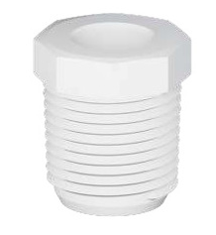
PVC SCH. 40 - PLUG
 | E450-002 | 1/4" SCH. 40 PVC Plug MPT | 1/4" | MPT | $3.06 | $0.00 | 500
 | E450-005 | 1/2" SCH. 40 PVC Plug MPT | 1/2" | MPT | $4.51 | $0.00 | 250
 | E450-007 | 3/4" SCH. 40 PVC Plug MPT | 3/4" | MPT | $4.82 | $0.00 | 500
 | E450-010 | 1" SCH. 40 PVC Plug MPT | 1" | MPT | $7.87 | $0.00 | 250
 | E450-012 | 1-1/4" SCH. 40 PVC Plug MPT | 1-1/4" | MPT | $8.29 | $0.00 | 125
 | E450-015 | 1-1/2" SCH. 40 PVC Plug MPT | 1-1/2" | MPT | $8.89 | $0.00 | 125
 | E450-020 | 2" SCH. 40 PVC Plug MPT | 2" | MPT | $11.47 | $0.00 | 50
 | E450-030 | 3" SCH. 40 PVC Plug MPT | 3" | MPT | $24.14 | $0.00 | 25

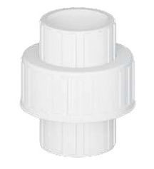
PVC SCH. 40 - UNION
 | E457-005 | 1/2" SCH. 40 PVC Union SOC x SOC | 1/2" | Socket x Socket | $20.44 | $0.00 | 50
 | E457-007 | 3/4" SCH. 40 PVC Union SOC x SOC | 3/4" | Socket x Socket | $23.20 | $0.00 | 50
 | E457-010 | 1" SCH. 40 PVC Union SOC x SOC | 1" | Socket x Socket | $23.88 | $0.00 | 18
 | E457-012 | 1-1/4" SCH. 40 PVC Union SOC x SOC | 1-1/4" | Socket x Socket | $76.92 | $0.00 | 10
 | E457-015 | 1-1/2" SCH. 40 PVC Union SOC x SOC | 1-1/2" | Socket x Socket | $80.12 | $0.00 | 10
 | E457-020 | 2" SCH. 40 PVC Union SOC x SOC | 2" | Socket x Socket | $108.07 | $0.00 | 16
 | E457-025 | 2-1/2" SCH. 40 PVC Union SOC x SOC | 2-1/2" | Socket x Socket | $151.26 | $0.00 | 3
 | E457-030 | 3" SCH. 40 PVC Union SOC x SOC | 3" | Socket x Socket | $241.63 | $0.00 | 3
 | E457-040 | 4" SCH. 40 PVC Union SOC x SOC | 4" | Socket x Socket | $334.59 | $0.00 | 2

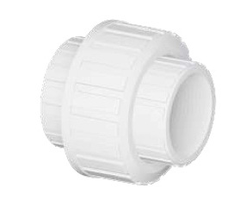
PVC SCH. 40 - UNION
 | E458-005 | 1/2" SCH. 40 PVC Union FPT x FPT | 1/2" | FPT x FPT | $22.80 | $0.00 | 50
 | E458-007 | 3/4" SCH. 40 PVC Union FPT x FPT | 3/4" | FPT x FPT | $38.12 | $0.00 | 50
 | E458-010 | 1" SCH. 40 PVC Union FPT x FPT | 1" | FPT x FPT | $52.10 | $0.00 | 18
 | E458-012 | 1-1/4" SCH. 40 PVC Union FPT x FPT | 1-1/4" | FPT x FPT | $89.42 | $0.00 | 10
 | E458-015 | 1-1/2" SCH. 40 PVC Union FPT x FPT | 1-1/2" | FPT x FPT | $91.42 | $0.00 | 10
 | E458-020 | 2" SCH. 40 PVC Union FPT x FPT | 2" | FPT x FPT | $112.18 | $0.00 | 16
 | E458-030 | 3" SCH. 40 PVC Union FPT x FPT | 3" | FPT x FPT | $256.50 | $0.00 | 3

PVC SCH. 40 - UNION
 | E459-015 | 1-1/2" SCH. 40 PVC Union SOC x FPT | 1-1/2" | Socket x FPT | $86.12 | $0.00 | 10
 | E459-020 | 2" SCH. 40 PVC Union SOC x FPT | 2" | Socket x FPT | $110.46 | $0.00 | 16

PVC SCH. 40 - SNAP TEE
 | E463-007 | 3/4" SCH. 40 PVC Snap Tee Snap x SOC | 3/4" | Snap x Socket | $4.11 | $0.00 | 100
 | E463-010 | 1" SCH. 40 PVC Snap Tee Snap x SOC | 1" | Snap x Socket | $7.92 | $0.00 | 45
 | E463-015 | 1-1/2" SCH. 40 PVC Snap Tee Snap x SOC | 1-1/2" | Snap x Socket | $14.90 | $0.00 | 25
 | E463-030 | 3" SCH. 40 PVC Snap Tee Snap x SOC | 3" | Snap x Socket | $115.79 | $0.00 | 5
 | E463-040 | 4" SCH. 40 PVC Snap Tee Snap x SOC | 4" | Snap x Socket | $192.88 | $0.00 | 3
 | E463-130 | 1" x 1/2" SCH. 40 PVC Snap Tee Snap x SOC | 1" x 1/2" | Snap x Socket | $7.92 | $0.00 | 70

PVC SCH. 40 - SNAP TEE
 | E464-101 | 3/4" x 1/2" SCH. 40 PVC Snap Tee Snap x FPT | 3/4" x 1/2" | Snap x FPT | $6.39 | $0.00 | 125
 | E464-130 | 1" x 1/2" SCH. 40 PVC Snap Tee Snap x FPT | 1" x 1/2" | Snap x FPT | $11.50 | $0.00 | 70

PVC SCH. 40 - INSERT FITTING ADAPTER
 | E474-015 | 1-1/2" SCH. 40 PVC Insert Fitting Adapter Insert x SOC | 1-1/2" | Insert x Socket | $11.88 | $0.00 | 50
 | E474-020 | 2" SCH. 40 PVC Insert Fitting Adapter Insert x SOC | 2" | Insert x Socket | $22.02 | $0.00 | 25

PVC SCH. 40 - MANIFOLD TEE
 | E475-010 | 1" SCH. 40 PVC SCH. 40 PVC Manifold Tee SOC x SPIG x MPT | 1" | Socket x Spigot x MPT | $15.63 | $0.00 | 50
 | E475-131 | 1" x 1" x 3/4" SCH. 40 PVC Manifold Tee SOC x SPIG x MPT | 1" x 1" x 3/4" | Socket x Spigot x MPT | $28.00 | $0.00 | 50

PVC SCH. 40 - WYE
 | E477-020 | 2" SCH. 40 PVC Wye SOC x SOC x SOC | 2" | Socket x Socket x Socket | $92.72 | $0.00 | 8
 | E477-040 | 4" SCH. 40 PVC Wye SOC x SOC x SOC | 4" | Socket x Socket x Socket | $294.52 | $0.00 | 2
 | E477-060 | 6" SCH. 40 PVC Wye SOC x SOC x SOC | 6" | Socket x Socket x Socket | $623.15 | $0.00 | 1

PVC SCH. 40 - FITTING ADAPTER
 | E478-007 | 3/4" SCH. 40 PVC Female Fitting Adapter SPIG x FPT | 3/4" | Spigot x FPT | $2.45 | $0.00 | 250
 | E478-010 | 1" SCH. 40 PVC Female Fitting Adapter SPIG x FPT | 1" | Spigot x FPT | $3.92 | $0.00 | 100
 | E478-020 | 2" SCH. 40 PVC Female Fitting Adapter SPIG x FPT | 2" | Spigot x FPT | $9.92 | $0.00 | 25
 | E478-040 | 4" SCH. 40 PVC Female Fitting Adapter SPIG x FPT | 4" | Spigot x FPT | $56.01 | $0.00 | 6

PVC SCH. 40 - EXTRA DEEP COUPLING
 | E479-020 | 2" SCH. 40 PVC Extra Deep Coupling SOC x SOC | 2" | Socket x Socket | $16.78 | $0.00 | 15
 | E479-030 | 3" SCH. 40 PVC Extra Deep Coupling SOC x SOC | 3" | Socket x Socket | $32.51 | $0.00 | 8
 | E479-040 | 4" SCH. 40 PVC Extra Deep Coupling SOC x SOC | 4" | Socket x Socket | $65.31 | $0.00 | 6

PVC SCH. 40 - RUNNING TRAP
 | E488-007 | 3/4" SCH. 40 PVC Running Trap | 3/4" | Spigot x Spigot | $13.98 | $0.00 | 50

PVC SCH. 40 - P-TRAP
 | E489-007 | 3/4" SCH. 40 PVC P-Trap | 3/4" | Spigot x Spigot | $16.53 | $0.00 | 50

CPVC
 |  |  |  | 2026-07-01 |  | Multiplier
 |  |  | CPVC | Fittings |  | 0.000
 |  |  | CPVC | Pipe |  | 0.000
Note: Must Purchase Fittings by Full Case Qty's & Pipe by Bundle Qty's
 | Part# | Descripton | Size | Ends | List | Net | Inner | Master | Case Barcode
CPVC - TEE (S x S x S)
 | CVTE0012 | 1/2" CPVC Tee Soc x Soc x Soc | 1/2" | Socket x Socket x Socket | $0.92 | $0.00 | 50 | 500 | 20804595036884
 | CVTE0034 | 3/4" CPVC Tee Soc x Soc x Soc | 3/4" | Socket x Socket x Socket | $1.61 | $0.00 | 20 | 200 | 20804595036891
 | CVTE0100 | 1" CPVC Tee Soc x Soc x Soc | 1" | Socket x Socket x Socket | $8.43 | $0.00 | 25 | 100 | 20804595036907
 | CVTE0114 | 1-1/4" CPVC Tee Soc x Soc x Soc | 1-1/4" | Socket x Socket x Socket | $12.91 | $0.00 | 6 | 72 | 20804595036921
 | CVTE0112 | 1-1/2" CPVC Tee Soc x Soc x Soc | 1-1/2" | Socket x Socket x Socket | $16.82 | $0.00 | 9 | 36 | 20804595036914
 | CVTE0200 | 2" CPVC Tee Soc x Soc x Soc | 2" | Socket x Socket x Socket | $27.20 | $0.00 | 1 | 18 | 20804595036938

CPVC - REDUCING TEE (S x S x S)
 | CVRT1234 | 1/2" x 1/2" x 3/4" CPVC Reducing Tee Soc x Soc x Soc | 1/2" x 1/2" x 3/4" | Socket x Socket x Socket | $3.74 | $0.00 | 70 | 350 | 20804595036754
 | CVRT3401 | 3/4" x 1/2" x 1/2" CPVC Reducing Tee Soc x Soc x Soc | 3/4" x 1/2" x 1/2" | Socket x Socket x Socket | $1.67 | $0.00 | 80 | 320 | 20804595036440
 | CVRT3402 | 3/4" x 1/2" x 3/4" CPVC Reducing Tee Soc x Soc x Soc | 3/4" x 1/2" x 3/4" | Socket x Socket x Socket | $1.76 | $0.00 | 70 | 280 | 20804595036457
 | CVRT3412 | 3/4" x 3/4" x 1/2" CPVC Reducing Tee Soc x Soc x Soc | 3/4" x 3/4" x 1/2" | Socket x Socket x Socket | $1.76 | $0.00 | 30 | 300 | 20804595036877
 | CVRT1001 | 1" x 1/2" x 1/2" CPVC Reducing Tee Soc x Soc x Soc | 1" x 1/2" x 1/2" | Socket x Socket x Socket | $20.01 | $0.00 | 36 | 180 | 20804595036419
 | CVRT1002 | 1" x 3/4" x 3/4" CPVC Reducing Tee Soc x Soc x Soc | 1" x 3/4" x 3/4" | Socket x Socket x Socket | $10.21 | $0.00 | 30 | 150 | 20804595036426
 | CVRT1112 | 1" x 1" x 1/2" CPVC Reducing Tee Soc x Soc x Soc | 1" x 1" x 1/2" | Socket x Socket x Socket | $9.57 | $0.00 | 17 | 170 | 20804595036730
 | CVRT1134 | 1" x 1" x 3/4" CPVC Reducing Tee Soc x Soc x Soc | 1" x 1" x 3/4" | Socket x Socket x Socket | $9.13 | $0.00 | 35 | 140 | 20804595036747
 | CVRT1412 | 1-1/4" x 1-1/4" x 1/2" CPVC Reducing Tee Soc x Soc x Soc | 1-1/4" x 1-1/4" x 1/2" | Socket x Socket x Socket | $23.33 | $0.00 | 10 | 110 | 20804595036778
 | CVRT1434 | 1-1/4" x 1-1/4" x 3/4" CPVC Reducing Tee Soc x Soc x Soc | 1-1/4" x 1-1/4" x 3/4" | Socket x Socket x Socket | $20.76 | $0.00 | 8 | 88 | 20804595036785
 | CVRT1410 | 1-1/4" x 1-1/4" x 1" CPVC Reducing Tee Soc x Soc x Soc | 1-1/4" x 1-1/4" x 1" | Socket x Socket x Socket | $21.95 | $0.00 | 6 | 72 | 20804595036761
 | CVRT1512 | 1-1/2" x 1-1/2" x 1/2" CPVC Reducing Tee Soc x Soc x Soc | 1-1/2" x 1-1/2" x 1/2" | Socket x Socket x Socket | $25.11 | $0.00 | 10 | 70 | 20804595036815
 | CVRT1513 | 1-1/2" x 1-1/2" x 3/4" CPVC Reducing Tee Soc x Soc x Soc | 1-1/2" x 1-1/2" x 3/4" | Socket x Socket x Socket | $20.93 | $0.00 | 10 | 60 | 20804595036822
 | CVRT1510 | 1-1/2" x 1-1/2" x 1" CPVC Reducing Tee Soc x Soc x Soc | 1-1/2" x 1-1/2" x 1" | Socket x Socket x Socket | $19.17 | $0.00 | 10 | 50 | 20804595036792
 | CVRT1511 | 1-1/2" x 1-1/2" x 1-1/4" CPVC Reducing Tee Soc x Soc x Soc | 1-1/2" x 1-1/2" x 1-1/4" | Socket x Socket x Socket | $21.34 | $0.00 | 10 | 40 | 20804595036808
 | CVRT2234 | 2" x 2" x 3/4" CPVC Reducing Tee Soc x Soc x Soc | 2" x 2" x 3/4" | Socket x Socket x Socket | $28.81 | $0.00 | 4 | 32 | 20804595036860
 | CVRT2210 | 2" x 2" x 1" CPVC Reducing Tee Soc x Soc x Soc | 2" x 2" x 1" | Socket x Socket x Socket | $27.29 | $0.00 | 3 | 27 | 20804595036839
 | CVRT2211 | 2" x 2" x 1-1/4" CPVC Reducing Tee Soc x Soc x Soc | 2" x 2" x 1-1/4" | Socket x Socket x Socket | $30.77 | $0.00 | 2 | 28 | 20804595036846
 | CVRT2215 | 2" x 2" x 1-1/2" CPVC Reducing Tee Soc x Soc x Soc | 2" x 2" x 1-1/2" | Socket x Socket x Socket | $30.77 | $0.00 | 2 | 24 | 20804595036853

CPVC - 90° ELBOW (S x S)
 | CVLN0012 | 1/2" CPVC 90° Elbow Soc x Soc | 1/2" | Socket x Socket | $0.67 | $0.00 | 70 | 700 | 20804595036563
 | CVLN0034 | 3/4" CPVC 90° Elbow Soc x Soc | 3/4" | Socket x Socket | $1.10 | $0.00 | 30 | 300 | 20804595036570
 | CVLN0100 | 1" CPVC 90° Elbow Soc x Soc | 1" | Socket x Socket | $3.21 | $0.00 | 16 | 160 | 20804595036587
 | CVLN0114 | 1-1/4" CPVC 90° Elbow Soc x Soc | 1-1/4" | Socket x Socket | $6.40 | $0.00 | 20 | 80 | 20804595036600
 | CVLN0112 | 1-1/2" CPVC 90° Elbow Soc x Soc | 1-1/2" | Socket x Socket | $11.55 | $0.00 | 10 | 50 | 20804595036594
 | CVLN0200 | 2" CPVC 90° Elbow Soc x Soc | 2" | Socket x Socket | $22.14 | $0.00 | 2 | 24 | 20804595036617

CPVC - REDUCING 90° ELBOW (S x S)
 | CVRN3412 | 3/4" x 1/2" CPVC Reducing 90° Elbow Soc x Soc | 3/4" x 1/2" | Socket x Socket | $2.53 | $0.00 | 50 | 450 | 20804595036723

CPVC - 90° STREET ELBOW (SPG x S)
 | CVSN0012 | 1/2" CPVC 90° Street Elbow Spigot x Soc | 1/2" | Spigot x Socket | $0.84 | $0.00 | 75 | 750 | 20804595036327
 | CVSN0034 | 3/4" CPVC 90° Street Elbow Spigot x Soc | 3/4" | Spigot x Socket | $1.32 | $0.00 | 64 | 320 | 20804595036334
 | CVSN0100 | 1" CPVC 90° Street Elbow Spigot x Soc | 1" | Spigot x Socket | $5.96 | $0.00 | 40 | 160 | 20804595036341

CPVC - 45° ELBOW (S x S)
 | CVFL0012 | 1/2" CPVC 45° Elbow Soc x Soc | 1/2" | Socket x Socket | $0.90 | $0.00 | 100 | 1000 | 20804595036501
 | CVFL0034 | 3/4" CPVC 45° Elbow Soc x Soc | 3/4" | Socket x Socket | $1.55 | $0.00 | 36 | 360 | 20804595036518
 | CVFL0100 | 1" CPVC 45° Elbow Soc x Soc | 1" | Socket x Socket | $3.72 | $0.00 | 20 | 200 | 20804595036525
 | CVFL0114 | 1-1/4" CPVC 45° Elbow Soc x Soc | 1-1/4" | Socket x Socket | $8.34 | $0.00 | 11 | 110 | 20804595036549
 | CVFL0112 | 1-1/2" CPVC 45° Elbow Soc x Soc | 1-1/2" | Socket x Socket | $12.07 | $0.00 | 6 | 66 | 20804595036532
 | CVFL0200 | 2" CPVC 45° Elbow Soc x Soc | 2" | Socket x Socket | $23.93 | $0.00 | 3 | 30 | 20804595036556

CPVC - 45° STREET ELBOW (SPG x S)
 | CVSF0012 | 1/2" CPVC 45° Street Elbow Spigot x Soc | 1/2" | Spigot x Socket | $1.80 | $0.00 | 100 | 1000 | 20804595036297
 | CVSF0034 | 3/4" CPVC 45° Street Elbow Spigot x Soc | 3/4" | Spigot x Socket | $2.53 | $0.00 | 36 | 360 | 20804595036303
 | CVSF0100 | 1" CPVC 45° Street Elbow Spigot x Soc | 1" | Spigot x Socket | $7.30 | $0.00 | 20 | 200 | 20804595036310

CPVC - 90° DROP EAR ELBOW (S x FPT)
 | CVDE0012 | 1/2" CPVC 90° DROP EAR ELBOW Soc X FPT | 1/2" | Socket x FPT | $2.11 | $0.00 | 45 | 450 | 20804595036464

CPVC - COUPLING (S x S)
 | CVCP0012 | 1/2" CPVC Coupling Soc x Soc | 1/2" | Socket x Socket | $0.58 | $0.00 | 110 | 1100 | 20804595036358
 | CVCP0034 | 3/4" CPVC Coupling Soc x Soc | 3/4" | Socket x Socket | $0.73 | $0.00 | 50 | 500 | 20804595036365
 | CVCP0100 | 1" CPVC Coupling Soc x Soc | 1" | Socket x Socket | $3.26 | $0.00 | 50 | 250 | 20804595036372
 | CVCP0114 | 1-1/4" CPVC Coupling Soc x Soc | 1-1/4" | Socket x Socket | $4.47 | $0.00 | 27 | 162 | 20804595036396
 | CVCP0112 | 1-1/2" CPVC Coupling Soc x Soc | 1-1/2" | Socket x Socket | $6.31 | $0.00 | 10 | 100 | 20804595036389
 | CVCP0200 | 2" CPVC Coupling Soc x Soc | 2" | Socket x Socket | $11.35 | $0.00 | 8 | 48 | 20804595036402

CPVC - REDUCING COUPLING (S x S)
 | CVRC3412 | 3/4" x 1/2" CPVC Reducing Coupling Soc x Soc | 3/4" x 1/2" | Socket x Socket | $1.35 | $0.00 | 75 | 750 | 20804595036716
 | CVRC1034 | 1" x 3/4" CPVC Reducing Coupling Soc x Soc | 1" x 3/4" | Socket x Socket | $4.09 | $0.00 | 35 | 350 | 20804595036693
 | CVRC1110 | 1-1/4" x 1" CPVC Reducing Coupling Soc x Soc | 1-1/4" x 1" | Socket x Socket | $2.86 | $0.00 | 15 | 270 | 20804595036709

CPVC - FEMALE ADAPTER (S x FPT)
 | CVFA0012 | 1/2" CPVC Female Adapter Soc x FPT | 1/2" | Socket x FPT | $2.22 | $0.00 | 50 | 550 | 20804595036471
 | CVFA0034 | 3/4" CPVC Female Adapter Soc x FPT | 3/4" | Socket x FPT | $3.15 | $0.00 | 50 | 350 | 20804595036488
 | CVFA0100 | 1" CPVC Female Adapter Soc x FPT | 1" | Socket x FPT | $3.59 | $0.00 | 40 | 160 | 20804595036495

CPVC - MALE ADAPTER (MPT x S)
 | CVMA0012 | 1/2" CPVC Male Adapter MPT x Soc | 1/2" | MPT x Socket | $0.73 | $0.00 | 80 | 800 | 20804595036624
 | CVMA0034 | 3/4" CPVC Male Adapter MPT x Soc | 3/4" | MPT x Socket | $1.25 | $0.00 | 47 | 470 | 20804595036631
 | CVMA0100 | 1" CPVC Male Adapter MPT x Soc | 1" | MPT x Socket | $5.59 | $0.00 | 26 | 260 | 20804595036648
 | CVMA0114 | 1-1/4" CPVC Male Adapter MPT x Soc | 1-1/4" | MPT x Socket | $9.15 | $0.00 | 10 | 140 | 20804595036662
 | CVMA0112 | 1-1/2" CPVC Male Adapter MPT x Soc | 1-1/2" | MPT x Socket | $11.28 | $0.00 | 18 | 90 | 20804595036655
 | CVMA0200 | 2" CPVC Male Adapter MPT x Soc | 2" | MPT x Socket | $18.60 | $0.00 | 5 | 50 | 20804595036679
 |  |  |  |  | #N/A
CPVC - REDUCING MALE ADAPTER (MPT x S)
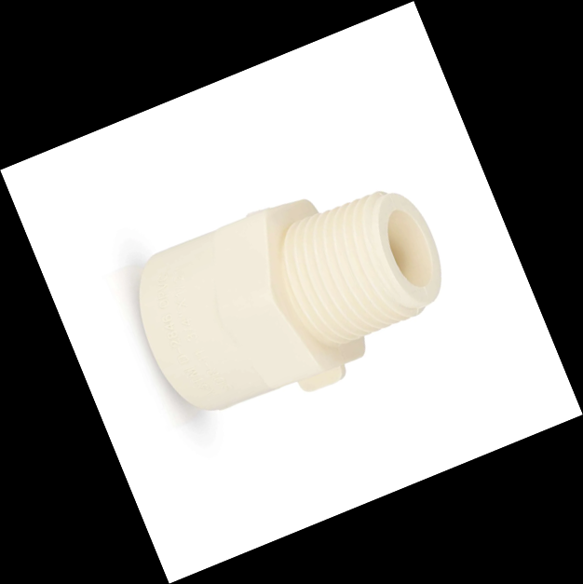 | CVMA3412 | 3/4" x 1/2" CPVC Reducing Male Adapter MPT x Soc | 3/4" x 1/2" | MPT x Socket | $2.97 | $0.00 | 50 | 550 | 20804595036686

CPVC - BUSHING (SPG x S)
 | CVBU3412 | 3/4" x 1/2" CPVC Bushing Spigot x Soc | 3/4" x 1/2" | Spigot x Socket | $0.88 | $0.00 | 100 | 1200 | 20804595036228
 | CVBU1012 | 1" x 1/2" CPVC Bushing Spigot x Soc | 1" x 1/2" | Spigot x Socket | $2.88 | $0.00 | 100 | 600 | 20804595036082
 | CVBU1034 | 1" x 3/4" CPVC Bushing Spigot x Soc | 1" x 3/4" | Spigot x Socket | $2.88 | $0.00 | 100 | 600 | 20804595036099
 | CVBU1112 | 1-1/4" x 1/2" CPVC Bushing Spigot x Soc | 1-1/4" x 1/2" | Spigot x Socket | $4.14 | $0.00 | 33 | 330 | 20804595036112
 | CVBU1134 | 1-1/4" x 3/4" CPVC Bushing Spigot x Soc | 1-1/4" x 3/4" | Spigot x Socket | $3.73 | $0.00 | 33 | 330 | 20804595036129
 | CVBU1110 | 1-1/4" x 1" CPVC Bushing Spigot x Soc | 1-1/4" x 1" | Spigot x Socket | $3.26 | $0.00 | 33 | 330 | 20804595036105
 | CVBU1512 | 1-1/2" x 1/2" CPVC Bushing Spigot x S | 1-1/2" x 1/2" | Spigot x Socket | $4.86 | $0.00 | 20 | 200 | 20804595036150
 | CVBU1534 | 1-1/2" x 3/4" CPVC Bushing Spigot x S | 1-1/2" x 3/4" | Spigot x Socket | $4.86 | $0.00 | 20 | 200 | 20804595036167
 | CVBU1510 | 1-1/2" x 1" CPVC Bushing Spigot x Soc | 1-1/2" x 1" | Spigot x Socket | $4.62 | $0.00 | 20 | 200 | 20804595036136
 | CVBU1511 | 1-1/2" x 1-1/4" CPVC Bushing Spigot x Soc | 1-1/2" x 1-1/4" | Spigot x Socket | $4.62 | $0.00 | 20 | 200 | 20804595036143
 | CVBU2012 | 2" x 1/2" CPVC Bushing Spigot x Soc | 2" x 1/2" | Spigot x Socket | $11.53 | $0.00 | 8 | 96 | 20804595036198
 | CVBU2034 | 2" x 3/4" CPVC Bushing Spigot x Soc | 2" x 3/4" | Spigot x Socket | $10.78 | $0.00 | 8 | 96 | 20804595036211
 | CVBU2010 | 2" x 1" CPVC Bushing Spigot x Soc | 2" x 1" | Spigot x Socket | $10.41 | $0.00 | 8 | 96 | 20804595036174
 | CVBU2011 | 2" x 1-1/4" CPVC Bushing Spigot x Soc | 2" x 1-1/4" | Spigot x Socket | $12.24 | $0.00 | 8 | 96 | 20804595036181
 | CVBU2015 | 2" x 1-1/2" CPVC Bushing Spigot x Soc | 2" x 1-1/2" | Spigot x Socket | $10.41 | $0.00 | 8 | 96 | 20804595036204

CPVC - END CAP ( Socket)
 | CVCA0012 | 1/2" CPVC End Cap Soc | 1/2" | Socket | $0.62 | $0.00 | 200 | 2000 | 20804595036235
 | CVCA0034 | 3/4" CPVC End Cap Soc | 3/4" | Socket | $0.81 | $0.00 | 100 | 900 | 20804595036242
 | CVCA0100 | 1" CPVC End Cap Soc | 1" | Socket | $2.95 | $0.00 | 50 | 400 | 20804595036259
 | CVCA0114 | 1-1/4" CPVC End Cap Soc | 1-1/4" | Socket | $4.18 | $0.00 | 24 | 240 | 20804595036273
 | CVCA0112 | 1-1/2" CPVC End Cap Soc | 1-1/2" | Socket | $6.45 | $0.00 | 20 | 180 | 20804595036266
 | CVCA0200 | 2" CPVC End Cap Soc | 2" | Socket | $13.01 | $0.00 | 21 | 84 | 20804595036280

CPVC - TRANSITION RING (S x ASTM2846-SCH80 S)
 | CVTR0012 | 1/2" CPVC TRANSITION RING ASTM2846-SHC80 Soc X Soc | 1/2" | Socket x ASTM2846-SHC80 Socket | $2.62 | $0.00 | 80 | 800 | 20804595036945
 | CVTR0034 | 3/4" CPVC TRANSITION RING ASTM2846-SHC80 Soc X Soc | 3/4" | Socket x ASTM2846-SHC80 Socket | $4.97 | $0.00 | 50 | 500 | 20804595036952

CPVC - 10' Sticks |  |  |  |  |  |  | Bag | Bundle | Bag Barcode
 | CVPS1210 | 1/2" X 10' CPVC Pipe Stick | 1/2" |  | $22.32 | $0.00 | 25 | 250 | 10804595035962
 | CVPS3410 | 3/4" X 10' CPVC Pipe Stick | 3/4" |  | $37.04 | $0.00 | 20 | 160 | 10804595035979
 | CVPS1010 | 1" X 10' CPVC Pipe Stick | 1" |  | $59.84 | $0.00 | 10 | 80 | 10804595035986
 | CVPS1110 | 1-1/4" X 10' CPVC Pipe Stick | 1-1/4" |  | $136.76 | $0.00 | 6 | 60 | 10804595036006
 | CVPS1510 | 1-1/2" X 10' CPVC Pipe Stick | 1-1/2" |  | $96.88 | $0.00 | 5 | 50 | 10804595035993
 | CVPS2010 | 2" X 10' CPVC Pipe Stick | 2" |  | $232.12 | $0.00 | 3 | 24 | 10804595036013

CPVC - 20' Sticks |  |  |  |  |  |  | Bag | Bundle | Bag Barcode
 | CVPS1220 | 1/2" X 20' CPVC Pipe Stick | 1/2" |  | $44.64 | $0.00 | 25 | 250 | 10804595036020
 | CVPS3420 | 3/4" X 20' CPVC Pipe Stick | 3/4" |  | $74.09 | $0.00 | 20 | 160 | 10804595036037
 | CVPS1020 | 1" X 20' CPVC Pipe Stick | 1" |  | $119.67 | $0.00 | 10 | 80 | 10804595036044
 | CVPS1120 | 1-1/4" X 20' CPVC Pipe Stick | 1-1/4" |  | $273.53 | $0.00 | 6 | 60 | 10804595036068
 | CVPS1520 | 1-1/2" X 20' CPVC Pipe Stick | 1-1/2" |  | $193.75 | $0.00 | 5 | 50 | 10804595036051
 | CVPS2020 | 2" X 20' CPVC Pipe Stick | 2" |  | $464.24 | $0.00 | 3 | 24 | 10804595036075

